TestSummary
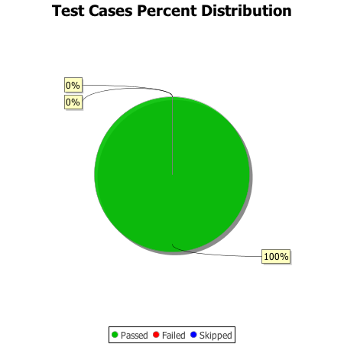
Total Test Cases | 3
Test Cases Passed | 3
Test Cases Failed | 0
Test Cases Skipped | 0

